CSI300
 |  | 测试 | base line
 |  | pt | 252 | 252 | 126 | 126 | 66 | 66 | 252 | 126 | 66
 |  | n_steps | 252 | 252 | 126 | 126 | 66 | 66 | 252 | 126 | 66
 | ret[i] = (math.log(price[i])-math.log(price[i-1])) * 100 | LSTM1 | 10 | 10 | 10 | 10 | 10 | 10
 |  | forget | 0.3 | 0.3 | 0.3 | 0.3 | 0.3 | 0.3
 |  | LSTM2 | 4 | 4 | 4 | 4 | 4 | 4
 |  | forget | 0.8 | 0.8 | 0.8 | 0.8 | 0.8 | 0.8
 |  | LSTM3 | 2 | 2 | 2 | 2 | 2 | 2
 |  | forget | 0.8 | 0.8 | 0.8 | 0.8 | 0.8 | 0.8
 |  | FC1,act:ReLu | 5 | 5 | 5 | 5 | 5 | 5
 |  | FC2,act:ReLu | 1 | 1 | 1 | 1 | 1 | 1
 |  | epoch | 150 | 150 | 150 | 150 | 150 | 150
 |  | lr | 0.0001 | 0.0001 | 0.0001 | 0.0001 | 0.0001 | 0.0001
 |  | batch size | 1 | 1 | 1 | 1 | 1 | 1
股价图 |  | data period | 5y+1y | 5y+1y | 5y+1y | 5y+1y | 5y+1y | 5y+1y | 5y+1y | 5y+1y | 5y+1y
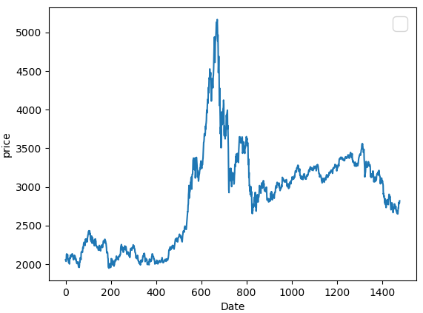
 |  | commend |  | 去Garch参数 |  | 去Garch参数 |  | 去Garch参数 | eGarch(1,1) | eGarch(1,1) | eGarch(1,1)
 |  | MSE | 0.02397836281 | 0.0041387825093 | 0.016032305134 | 0.013247459838 | 0.016057159684 | 0.004319446416 | 2.2265538408 | 3.28E+119 | 3.28E+119

 |  | MAE | 0.079010490713 | 0.027244015828 | 0.043199266639 | 0.054271215787 | 0.085782370184 | 0.058049792042 | 0.35647865125 | 5.10E+58 | 5.10E+58

 |  | HMSE | 0.080784787079 | 0.0032819105706 | 0.016057736625 | 0.012171703053 | 0.0234777944 | 0.0050510381397 | 1.8381792211 | 2.20E+119 | 2.20E+119

 |  | HMAE | 0.13859924483 | 0.080998642252 | 0.081807788205 | 0.056345200116 | 0.081626790161 | 0.044948330248 | 0.39749204058 | 4.18E+58 | 4.18E+58

